RESP
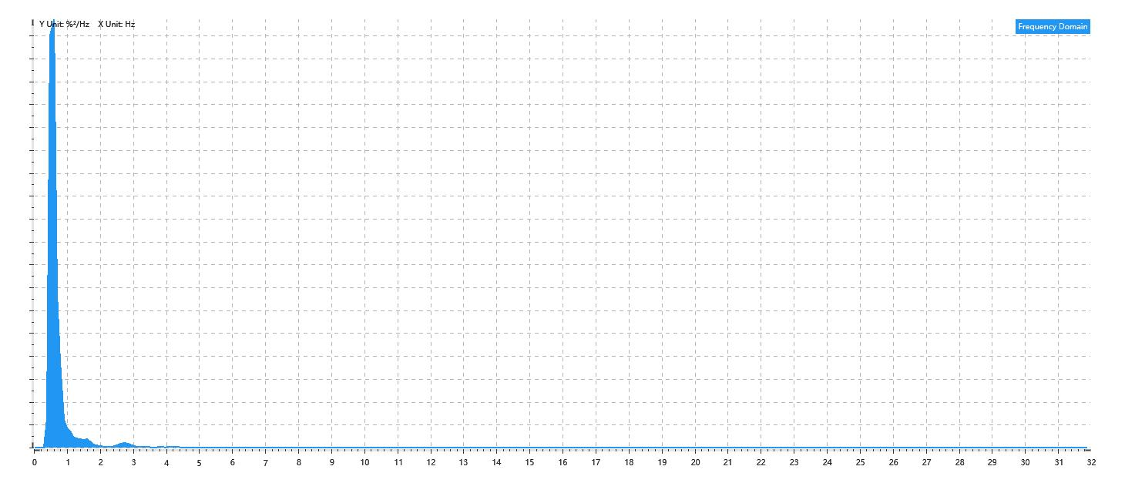
Data Info
 | Recording | 记录006
 | Subject | 張紫婷
 | Create Time | 2024-07-09 09:45:22.251
 | Data Name | Chest1 RESP
 | Data Type | RESP
 | Sample Rate | 64
 | Segment | 前静息态
 | Start Time | 0:00:47
 | End Time | 0:05:47
 | Duration | 0:05:00

Replay Chart
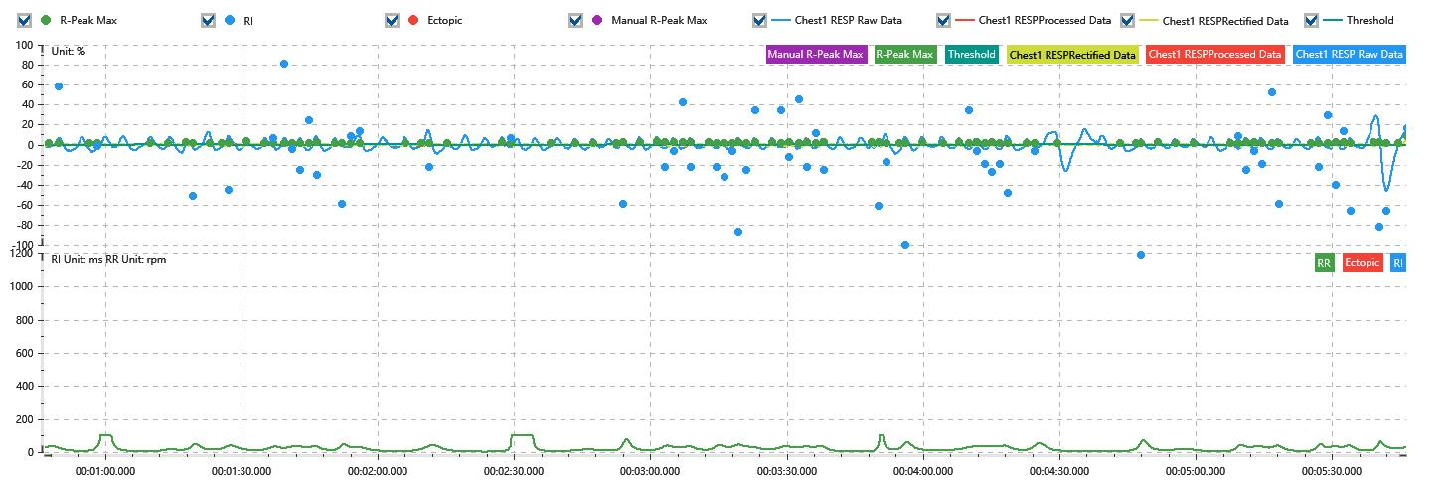

Process parameters
 | Filters
 | Wavlet filter | Enabled | 中
 | Baseline filter | Enabled | 0.5%
 | Band Stop filter | Enabled | 50%
 | Low Pass filter | Enabled | 20%
 | Interbeat Interval
 | R-Peak extraction | Maximum resp rate | 100rpm
 | R-Peak extraction | R-Peak mark threshold | 50%
 | Rectification | Method | Enabled | 滑动平均
 | Rectification | Window size | Enabled | 100ms

Time Domain
 | Data | AVRESP | Std | Max | Min | Range | Data Length
 | Respiratory Rate | 22.98rpm | 18.69rpm | 100rpm | 2.97rpm | 97.03rpm | 4801

Frequency Domain
 | Power | Peak | Data Length
 | 5.53%² | 0.6Hz | 320

PSD Chart

